New Implementation
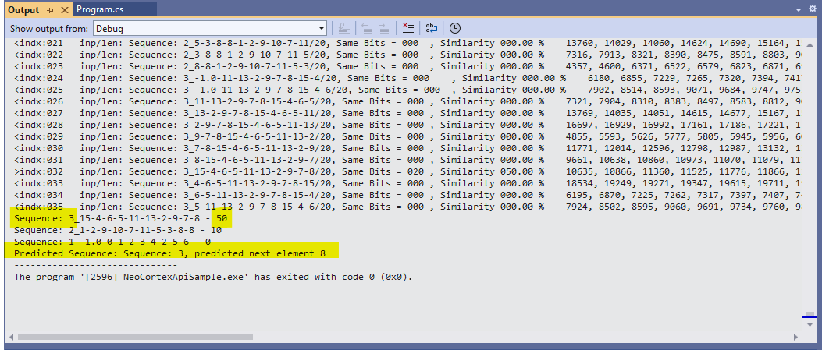
Test Number | No of Cycles | Diagnostic Session Minutes | Inputs Sequence | Inputs | Test Sequence | Test Sequence Inputs | Matching Percentage
1 | 222 | 1:22:00 | 2 | 14 | 1 | 3 | 100
2 | 221 | 3:09:00 | 2 | 20 | 1 | 3 | 100
3 | 221 | 4:48:00 | 3 | 30 | 1 | 3 | 50
4 | 221 | 4:45:00 | 3 | 30 | 1 | 4 | 48.78
5 | 253 | 6:34:00 | 4 | 40 | 1 | 5 | 100
6 | 218 | 6:15:00 | 4 | 40 | 1 | 6 | 100
7 | 205 | 7:46:00 | 5 | 50 | 1 | 3 | 50
8 | 206 | 8:21:00 | 5 | 50 | 1 | 4 | 100
9 | 206 | 5:35:00 | 6 | 60 | 1 | 6 | 35
10 | 208 | 5:43:00 | 6 | 60 | 1 | 7 | 33.33

Old Method
Test Number | No of Cycles | Diagnostic Session Minutes | Inputs Sequence | Inputs | Test Sequence | Test Sequence Inputs | Sequence Matching in percentage(%)
1 | 220 | 1:05:00 | 2 | 14 | 1 | 3 | 100
2 | 221 | 3:01:00 | 2 | 20 | 1 | 3 | 100
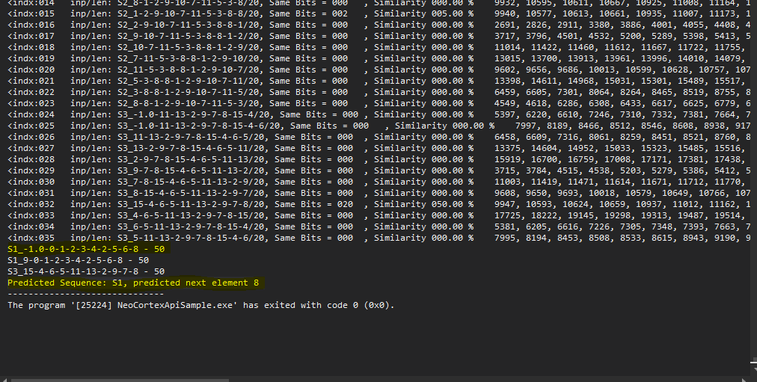
3 | 222 | 3:16:00 | 3 | 30 | 1 | 3 | 50
4 | 222 | 3:57:00 | 3 | 30 | 1 | 4 | 39.22
5 | 231 | 6:04:00 | 4 | 40 | 1 | 5 | 100
6 | 251 | 6:59:00 | 4 | 40 | 1 | 6 | 100
7 | 205 | 7:55:00 | 5 | 50 | 1 | 3 | 25
8 | 207 | 5.19 | 5 | 50 | 1 | 4 | 50
9 | 205 | 5:21:00 | 6 | 60 | 1 | 6 | 33.33
10 | 213 | 6:04:00 | 6 | 60 | 1 | 7 | 25

